Black Box Test
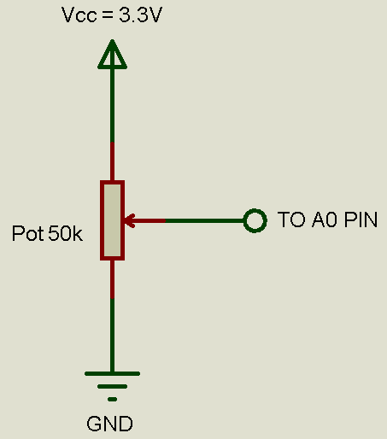
Project: | "PID Control of a DC Motor"
Date: | 2019-10-04
Issue: | Power Module Integration
Issue ID: | 4
Pull Request Name: | Power Module Integration
Pull Request ID: | 11
Branch Name: | PowerModuleIntegration
Developer: | Irvin Ramírez
Tester: | Juan Luis Nepomuceno

Test ID | Test Description | Expected Results | Actual Results
PM-001 | Connect a 50 kΩ potentiometer to A0 pin (on the Renesas Synergy SK-S7G2 Board) as shown in figure 1. Then plug the USB cable to the PC and to the Board through J19 (DEBUG_USB). | The Renesas Synergy SK-S7G2 is energized and the LEDs 1-4 may be ON. | PASS | Figure 1
PM-002 | Sweep the potentiometer from the GND side to the Vcc side. Use a multimeter if you do not know how to identify the GND and Vcc sides. | When the voltage at the A0 pin tends to 0, the voltage at P46 pin should tend to 0. When the voltage at the A0 pin tends to 3.3V, the voltage at P46 pin should tend to 3.3V. | PASS
PM-003 | Connect an oscilloscope probe to the P46 pin (on the Renesas Synergy SK-S7G2 Board). Repeat PM-004 and using the cursors in "time mode", measure the "on time". | When the duty cycle (ton/T) tend to 100, the motor should reach its maximum speed and when the duty cycle tend to 0, the motor should have its minimum speed or it should stop. | PASS

